Sheet9

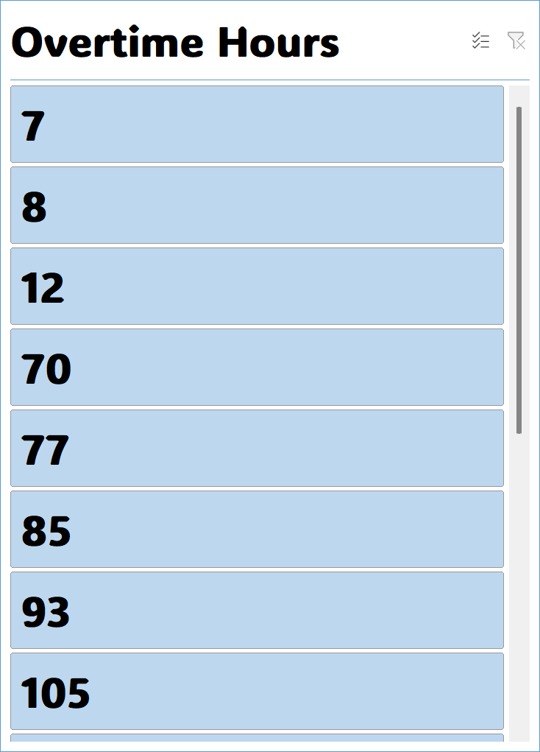
EMPLOYESS DASHBOARD



Total Annual Salary
= 453,480 k
Total of Department
= 19

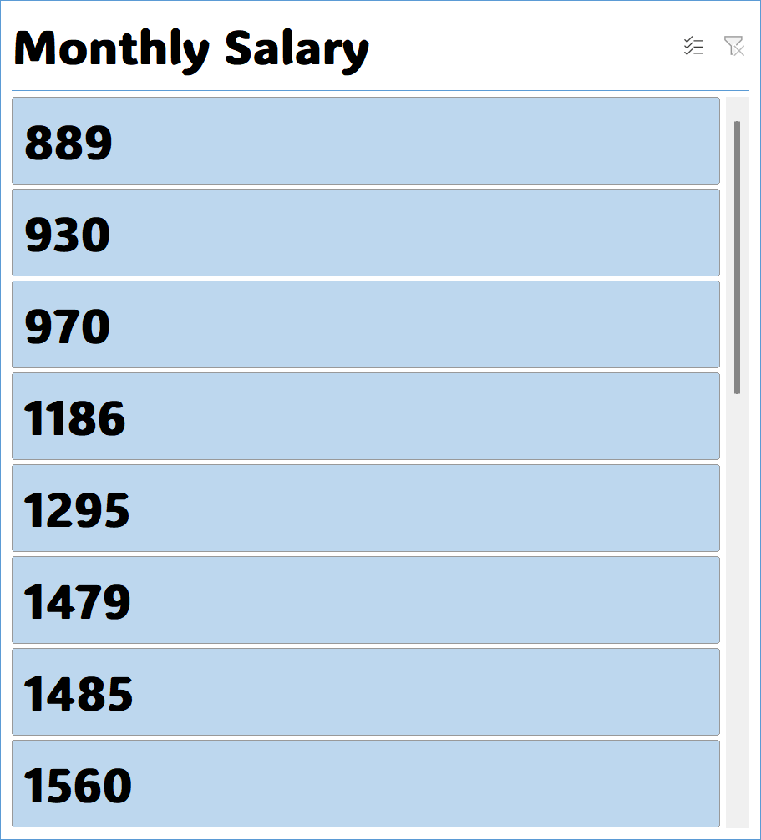

Total Country
= 9

Total Monthly salary
= 37,790 k

Total Overtime Hour
= 5,491 k

 | Total
Account Management | 1
Facilities/Engineering | 7
Green Building | 0
IT | 2
Major Mfg Projects | 0
Manufacturing | 5
Marketing | 1
Product Development | 3
Quality Control | 5
Sales | 6
(blank)
 | Total
Female | 615
Male | 989
(blank) | 0
TOTAL - SALARY (DEPARTMENT)
 | Sum of Monthly Salary | Sum of Years
Ahed | 2162 | 7
Ahmad | 970 | 5
Ailya | 2506 | 8
Alaa | 930 | 6
Bayan | 889 | 7
Farahad | 1295 | 7
Ghadir | 1560 | 7
Iilian | 3404 | 9
Iin | 1959 | 5
Lwiy | 1828 | 7
Muhamad | 10413 | 39
Omar | 3247 | 5
Razaan | 1999 | 7
Sandra | 3149 | 9
Susin | 1479 | 7
(blank)

TOTAL - OVERTIME

JOB RATE - DEPARTMENT
 | Total
Account Management | 14
Facilities/Engineering | 10
Green Building | 4.5
IT | 1
Major Mfg Projects | 2
Manufacturing | 10
Marketing | 3
Product Development | 3
Quality Control | 10
Sales | 6
(blank)
 | Total
Main | 9
North | 3
South | 2
West | 5
(blank)

 | Sum of Years | Sum of Unpaid Leaves
Female | 59 | 4
Male | 76 | 10
(blank)

Sheet6
Country | Egypt | Country | Egypt
 |  | Gender | Male
Row Labels | Count of Department
5 | 3 | Row Labels | Count of Department
Grand Total | 3 | 0 | 3
 |  | Grand Total | 3

 |  |  |  |  |  |  | Row Labels | Sum of Job Rate | Row Labels | Sum of Years | Sum of Unpaid Leaves
Row Labels | Count of ID | Row Labels | Sum of Monthly Salary | Sum of Years | Row Labels | Sum of Sick Leaves | Account Management | 14 | Female | 59 | 4
Account Management | 3 | Ahed | 2162 | 7 | Grand Total |  | Facilities/Engineering | 10 | Male | 76 | 10
Grand Total | 3 | Ahmad | 970 | 5 |  |  | Green Building | 4.5 | (blank)
 |  | Ailya | 2506 | 8 |  |  | IT | 1 | Grand Total | 135 | 14
 |  | Alaa | 930 | 6 |  |  | Major Mfg Projects | 2
Row Labels | Count of Department | Bayan | 889 | 7 | Row Labels | Sum of Sick Leaves | Manufacturing | 10
0 | 3 | Farahad | 1295 | 7 | Account Management | 1 | Marketing | 3 |  |  | Row Labels | Sum of Sick Leaves
Grand Total | 3 | Ghadir | 1560 | 7 | Facilities/Engineering | 7 | Product Development | 3 | Row Labels | Sum of Job Rate | Grand Total
 |  | Iilian | 3404 | 9 | Green Building | 0 | Quality Control | 10 | Account Management | 14
 |  | Iin | 1959 | 5 | IT | 2 | Sales | 6 | Facilities/Engineering | 10
 |  | Lwiy | 1828 | 7 | Major Mfg Projects | 0 | (blank) |  | Green Building | 4.5
 |  | Muhamad | 10413 | 39 | Manufacturing | 5 | Grand Total | 63.5 | IT | 1
 |  | Omar | 3247 | 5 | Marketing | 1 |  |  | Major Mfg Projects | 2
 |  | Razaan | 1999 | 7 | Product Development | 3 | Row Labels | Count of Department | Manufacturing | 10
 |  | Sandra | 3149 | 9 | Quality Control | 5 | Main | 9 | Marketing | 3
 |  | Susin | 1479 | 7 | Sales | 6 | North | 3 | Product Development | 3
 |  | (blank) |  |  | (blank) |  | South | 2 | Quality Control | 10
 |  | Grand Total | 37790 | 135 | Grand Total | 30 | West | 5 | Sales | 6
 |  |  |  |  |  |  | (blank) |  | (blank)
 |  |  |  |  |  |  | Grand Total | 19 | Grand Total | 63.5

TOTAL EMPLOYES - SICK LEAVES
 | Total
Grand Total

